diagram
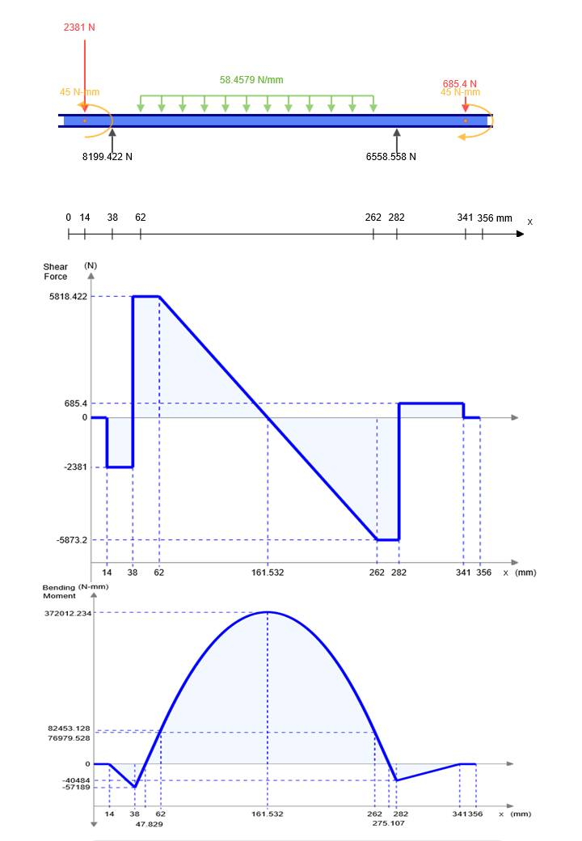
binding moment and tourque diagram

 |  | shaft lenth | 373 | mm
 | plain | list fo subjected forces |  |  | distance from beging |  | distans of force from bearing 2
#1 | x-y | rolling force | 11,691.60 | N | 179 | mm | 120 | mm
#2 | x-y | roll weight | 186.39 | N | 179 | mm | 120 | mm
#3 | x-y | chain tintion (y) | 4148.3097991 | N | 343.5 | mm | 44.5 | mm
#4 | x-y | gear radial force | #REF! | N | 15.5 | mm | 283.5 | mm
#5 | x-z | gear tangental force | #REF! | N | 15.5 | mm | 283.5 | mm
 | x-y | lift bearing reaction |  | N
 | x-y | right bearing reaction |  | N
 | x-z | lift bearing reaction |  | N
 | x-z | right bearing reaction |  | N

 |  |  |  | x-y |  | x-z
# | diameter | shear force (N) | bending moment (N.m) | shear force (N) | bending moment (N.m) | shear force (N) | bending moment (N.m)
1 | 25.988665444 | 486.29612717 | 19.878 | -166.32 | 0 | -456.97 | 0
2 | 25 | 6660.7959112 | 25.335274776 | 6645.102 | -15.708 | -456.97 | -19.878
3 | 60 | 6645.6181606 | 125.66694 | 6645.102 | 125.66694 | 82.826 | 0
4 | 60 | 5047.1796477 | 285.52923 | -5046.5 | 285.52923 | 82.826 | 0
5 | 25 | 5047.1796477 | 184.599758 | -5046.5 | 184.599758 | 82.826 | 0
6 | 16 | 4148.3 | 0 | -4148.3 | 0 | 0 | 0
 | max | 503.352242

gear design
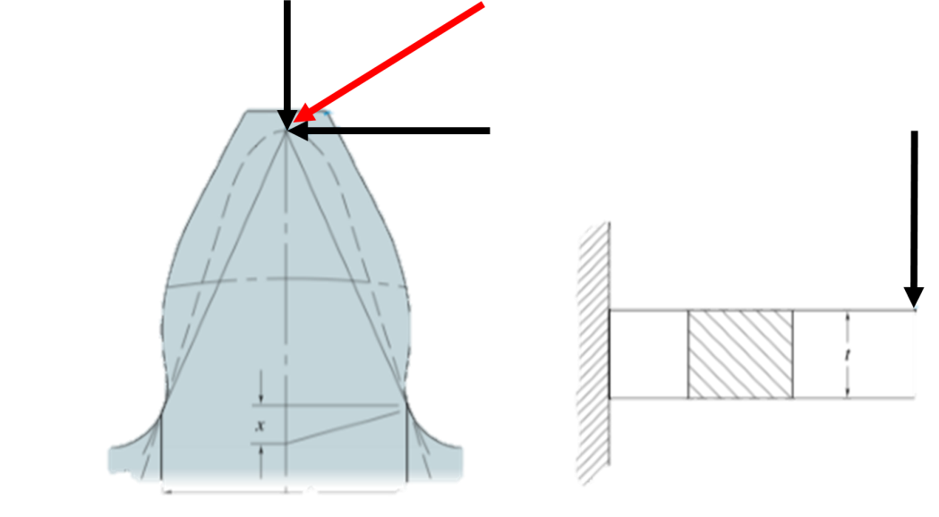
designe output |  |  |  |  |  |  |  |  |  |  |  | stage | # | N | d | C | tooruque
stage | # | N | d | C | tooruque |  | 249.48611961 | 729.44861428 | N |  |  | stage 2 | Gear 2 | 19 | 38 | 38 | 45.240193686 | N | tangential force |  |  |  | radial force |  |  |  |  |  |  | AGMA contact stress
stage 1 | Gear 2 | 20 | 0.02 | 76 | 6.8545748008 | N |  |  |  |  |  |  | Gear 3 | 19 | 38 |  | 45.240193686 | N | tangential force | wt | 2381.0628256 | N | tangential force |  | wt | 2381.0628256 | N |  |  | elastic modulus of gear |  | 120000000000 | pa
 | Gear 3 | 132 | 0.132 |  | 45.240193686 | N |  |  |  |  |  |  |  |  |  |  |  |  | torque | T | 45.240193686 | N.m | pressure angle |  | ɸ | 20 | degree |  |  | elastic modulus of pinion |  | 120000000000 | pa
 |  |  |  |  |  |  |  |  | 685.45748008 |  | N |  |  |  |  |  |  |  | pitch radius | rp | 0.019 |  | radial force |  | wr | 866.63599442 | N |  |  | poission ratio |  | 0.26 | --
 |  |  |  |  |  |  |  | 685.45748008 | N |  |  |  |  |  |  |  |  |  | module | m | 0.002 | m | total force magnitude |  |  |  |  |  |  | Effective modulus |  | 128700128700.12871 | --
 |  |  |  |  |  |  |  |  |  |  |  |  |  |  |  |  |  |  | number of teeth | N | 19 | -- | total force |  | w | 2533.8741338 | N |  |  | dimensionless load |  | 2.4237663872E-07 | --
tangential force |  |  |  |  |  |  |  |  |  |  |  |  |  |  |  |  |  |  |  |  |  |  |  |  |  |  |  |  |  | load per unit wedth |  | 101354.96535 | N/m
tangential force |  | wt | 685.45748008 | N |  |  |  |  |  |  |  |  |  |  |  |  |  |  | bending stress using lewis equation |  |  |  | allowble BENDING stress |  |  |  |  |  |  | applied loade |  | 2533.8741338 | N
torque |  | T | 6.8545748008 | N.m |  |  |  |  |  |  |  |  |  |  |  |  |  |  | tangential force | Ft | 2381.0628256 | N | material |  | ductile cast iron class 40 |  |  |  |  | face width |  | 0.025 | m
pitch radius |  | rp | 0.01 |  |  |  |  |  |  |  |  |  |  |  |  |  |  |  | diametral pitch | pd | 500 | 1/m | hardeness |  | HB | 229 | HB |  |  | Rx |  | 3.2491913616 | --
module |  | m | 0.001 | m |  |  |  |  |  |  |  |  |  |  |  |  |  |  | width of the tooth |  | 0.025 | m | ALLOBLE BENDING |  |  | 185 | MPA |  |  | hertz stress |  | 25272432.319 | --
number of teeth |  | N | 20 | -- |  |  |  |  |  |  |  |  |  |  |  |  |  |  | corection factor |  | 0.37 | -- | SAFTY FACTOR |  |  | 1.2 | -- | 128.70609868 |  | AGMA contact stress |  | 21068679.823 | Pa
 |  |  |  |  |  |  |  |  |  |  |  |  |  |  |  |  |  |  | bending stress | s | 128706098.68 | Pa | APPLIED STRESS |  |  | 128.70609868 | MPA |  |  | safty factor |  | 1.2 | --
bending stress using lewis equation |  |  |  |  |  |  | radial force
tangential force |  | Ft | 685.45748008 | N |  |  | tangential force | wt | 685.45748008 | N |  |  |  |  |  |  |  |  | bending stress using AGMA |  |  |  | modified allowable bending stress |  |  |  |  |  |  | modified allowable contact stress
diametral pitch |  | pd | 1000 | 1/m |  |  | pressure angle | ɸ | 20 | degree |  |  |  |  |  |  |  |  | transmitted load, | wt | 2381.0628256 | N | allowable bending stress |  |  | 185 | Mpa |  |  | allowable contact stress |  | 635 | MPa
width of the tooth |  |  | 0.025 | m |  |  | radial force | wr | 249.48611961 | N |  |  |  |  |  |  |  |  | diametral pitch | pd | 500 | 1/m | safety factor |  |  | 1.2 | -- |  |  | safety factor |  | 1.2 | --
corection factor |  |  | 0.37 | -- |  |  | total force magnitude |  |  |  |  |  |  |  |  |  |  |  | application or overload factor | Ka | 1.25 | -- | stress cycle factor |  |  | 1 | -- |  |  | stress cycle factor for contact |  | 1.1 | --
bending stress |  | s | 74103511.36 | Pa |  |  | total force | w | 729.44861428 | N |  |  |  |  |  |  |  |  | size factor | Ks | 1 | -- | temprature factor |  |  | 1 | -- |  |  | temprature factor |  | 1 | --
 |  |  |  |  |  |  |  |  |  |  |  |  |  |  |  |  |  |  | load distribution factor | Km | 1.123 | -- | reliability factor |  |  | 1 | -- |  |  | reliability factor |  | 1 | --
bending stress using AGMA |  |  |  |  |  |  | allowble BENDING stress |  |  |  |  |  |  |  |  |  |  |  | lead correction factor | Cmc | 1 | -- | allowable stress |  |  | 154.16666667 | Mpa | 113.76904679 |  | hardness ratio factor |  | 1.1 | --
transmitted load, |  | wt | 685.45748008 | N |  |  | material | ductile cast iron class 40 |  |  |  |  |  |  |  |  |  |  | pinion proportion factor | Cpf | 0.035 | -- | APPLIED STRESS |  |  | 113.76904679 | mpa |  |  | modified allowable contact |  | 640.29166667 | Mpa | 21.068679823
diametral pitch |  | pd | 1000 | 1/m |  |  | hardeness | HB | 201 | HB |  |  |  |  |  |  |  |  | pinion proportion modifier | Cpm | 1 | -- |  |  |  |  |  |  |  | aplyied contact stress |  | 21.068679823 | Mpa
application or overload factor |  | Ka | 1.25 | -- |  |  | ALLOBLE BENDING |  | 90 | MPA |  |  |  |  |  |  |  |  | mesh aligment factor | Cma | 0.11 | --
size factor |  | Ks | 1 | -- |  |  | SAFTY FACTOR |  | 1.2 | -- | 74.10351136 |  |  |  |  |  |  |  | mesh aligment correction factor | Ce | 0.8 | -- |  | 2381.0628256 |  | Mpa
load distribution factor |  | Km | 1.1960222216 | -- |  |  | APPLIED STRESS |  | 74.10351136 | MPA |  |  |  |  |  |  |  |  | dynamic factor | Kv | 0.49509756796 |  |  |  |  |  | 2533.8741338 | Mpa
lead correction factor |  | Cmc | 1 | -- |  |  |  |  |  |  |  |  |  |  |  |  |  |  | pitch line velocity | Vt | 13 | m/s
pinion proportion factor |  | Cpf | 0.10802222156 | -- |  |  | modified allowable bending stress |  |  |  |  |  |  |  |  |  |  |  | gear qulity | Qv | 5 | -- |  |  |  |  |  |  | 2381.0628256 |  | Mpa
pinion proportion modifier |  | Cpm | 1 | -- |  |  | allowable bending stress |  | 90 | Mpa |  |  |  |  |  |  |  |  | idler factor | Ki | 1.1 | -- |  |  |  |  | 866.63599442 | Mpa
mesh aligment factor |  | Cma | 0.11 | -- |  |  | safety factor |  | 1.2 | -- |  |  |  |  |  |  |  |  | rim thickness factor | Kb | 1 | --
mesh aligment correction factor |  | Ce | 0.8 | -- |  |  | stress cycle factor |  | 1 | -- |  |  |  |  |  |  |  |  | width of tooth |  | 0.025 | m
dynamic factor |  | Kv | 0.49509756796 |  |  |  | temprature factor |  | 1 | -- |  |  |  |  |  |  |  |  | corection factor |  | 0.32 | --
pitch line velocity |  | Vt | 13 | m/s |  |  | reliability factor |  | 1 | -- |  |  |  |  |  |  |  |  | BENDING STRESS |  | 113769046.79 | Pa
gear qulity |  | Qv | 5 | -- |  |  | allowable stress |  | 75 | Mpa | 63.420635245
idler factor |  | Ki | 1 | -- |  |  | APPLIED STRESS |  | 63.420635245 | mpa |  |  |  |  |  |  |  |  |  |  |  |  |  |  |  |  |  | 0.025 | m
rim thickness factor |  | Kb | 1 | --
width of tooth |  |  | 0.025 | m
corection factor |  |  | 0.32 | --
BENDING STRESS |  |  | 63420635.245 | Pa

AGMA contact stress |  |  |  |  |  |  | modified allowable contact stress
elastic modulus of gear |  |  | 120000000000 | pa |  |  | allowable contact stress |  | 520 | MPa
elastic modulus of pinion |  |  | 120000000000 | pa |  |  | safety factor |  | 1.2 | --
poission ratio |  |  | 0.26 | -- |  |  | stress cycle factor for contact |  | 1.1 | --
Effective modulus |  |  | 128700128700.12871 | -- |  |  | temprature factor |  | 1 | --
dimensionless load |  |  | 7.6329722911E-05 | -- |  |  | reliability factor |  | 1 | --
load per unit wedth |  |  | 29177.944571 | N/m |  |  | hardness ratio factor |  | 1.1 | --
applied loade |  |  | 729.44861428 | N |  |  | modified allowable contact |  | 524.33333333 | Mpa | 385.85002545
face width |  |  | 0.025 | m |  |  | aplyied contact stress |  | 385.85002545 | Mpa
Rx |  |  | 0.0029701749289 | --
hertz stress |  |  | 448485602.71 | --
AGMA contact stress |  |  | 385850025.45 | Pa
safty factor |  |  | 1.2 | --

bearing
 | Bearings
 | life time of bearing |  | 28.401212193 | million rev | life time of bearing |  | 13.493235072 | million rev
* | load life time exponential |  | 3.33 |  | load life time exponential |  | 3.333
 | dynamic load | C | 17900 |  | dynamic load | C | 17900
 | equivalent load | Po | 6558.558 |  | equivalent load | Po | 8199.442
* | X | factor | 1 |  | X | factor | 1
 | radial force | Pr | 6558.558 |  | radial force | Pr | 8199.442
* | Y | factor | 0 |  | Y | factor | 0
 | axial force | Pu | 0 |  | axial force | Pu | 0
 | Speed limit | n | 9411.7647059 |  | Speed limit | n | 11111.111111
 | mean diameter | dm | 42.5 |  | mean diameter | dm | 36
* | factor debend on bearing design | A | 400000 |  | factor debend on bearing design | A | 400000
* | correction factor of bearing size | f1 | 1 |  | correction factor of bearing size | f1 | 1
* | correction factor of bearing load | f2 | 1 |  | correction factor of bearing load | f2 | 1
 | mean diameter | dm | 42.5 |  | mean diameter | dm | 36
* | out side diameter | D | 55 |  | out side diameter | D | 47
* | inside diameter | d | 30 |  | inside diameter | d | 25
 | right bearing |  |  |  | left bearing
 | force on bearing |  | 2384.4 |  | force on bearing |  | 8189.83
 | static load factor | Co | 7870.2696 |  | static load factor | Co | 9839.3304
 | equivalent load | Po | 6558.558 |  | equivalent load | Po | 8199.442
 | factor of safety | n | 1.2 |  | factor of safety | n | 1.2

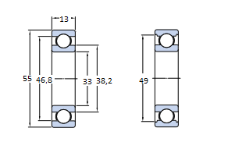
 | bearing type | NCF 3005 CV
 | WIDTH | B | 13 | mm
 | inside diameter | d | 30 | mm
 | outside diameter | D | 55 | mm
 | static load rating | Co | 17300 | N
 | dynamic load rating | C | 17900 | N
 | fatigue limit | Pu | 1860 | N
 | mass |  | 0.12 | Kg
 | right bearing stress | Pr | 6558.558 | N
 | left bearing stress | Pr | 8199.442 | N

